Dashboard
Business Development Outreach Dashboard

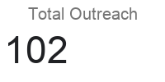
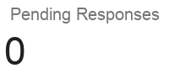
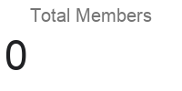
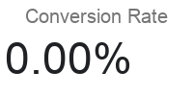

Daily Trend
Pipeline Status
Status | 0
New | 0
Pitching | 0
Follow-up | 0
Done | 0

